W&B
N236ZK
WEIGHT AND BALANCE
PIPER PA-28-181 ARCHER
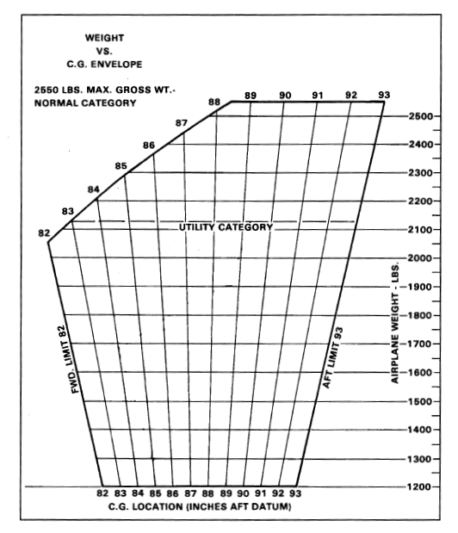
(fill in the applicable green cells and recalculate)

 | Weight | Arm | Moment
Basic Empty Weight | 1,813.30 | 88.50 | 160,469.80
Pilot and Front Passenger |  | 80.5 | -
Passengers (Rear Seats) |  | 118.1 | -
Baggage Area (max. 200 lbs.) |  | 142.8 | -
Fuel (6 lbs./gal) |  | 95.0 | -
Ramp Weight & CG | 1,813.30 | 88.50 | 160,469.80
Taxi & Run-up Fuel Burn | -8 | 95.0 | -760.00
Takeoff Weight & CG | 1,805.30 | 88.47 | 159,709.80
Fuel Burn in Flight |  | 95.0 | -
Landing Weight & CG | 1,805.30 | 88.47 | 159,709.80

Max. Gross Weight
Normal Category: | 2550 lbs
Utility Category: | 2130 lbs

